Overview
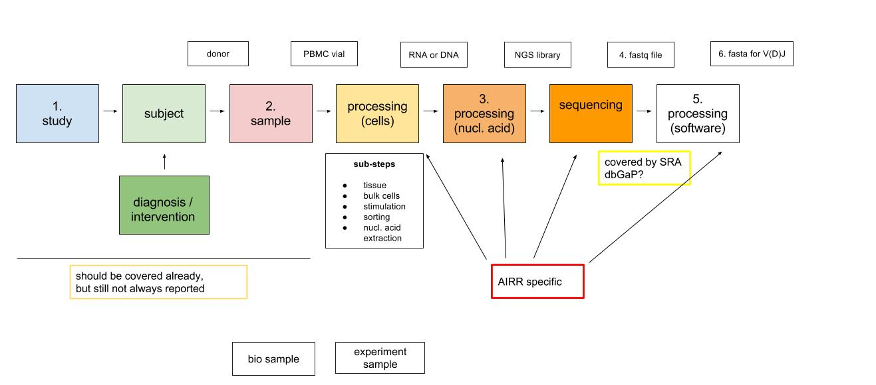
Overview | Minimal standards of ARR data: (a) recommendations for submission to journals, and (b) requirements for deposition to database
 | The minimla standards consist of the following six critical elements:
1. STUDY | The experimental study design including sample data relationships (e.g., which raw data file(s) relate to which sample, which samples are technical, which are biological replicates).

SUBJECT
DIAGNOSIS / INTERVENTION

2. SAMPLE | The essential sample annotation including experimental factors and their values (e.g., the set of markers used to sort the cell population being studied).

PROCESSING (cells)

3. PROCESSING (nucleic acid) | Sufficient annotation of the amplicon being sequenced that would allow the raw data to be transformed into the processed sequences (e.g., barcodes, primers, unique molecular identifiers).

SEQUENCING

4. FASTA or FASTQ file containing the raw sequences | The raw data for each sequencing run (e.g., FASTA/FASTQ)

5. PROCESSING (software) | The essential laboratory and data processing protocols (e.g., software tools with version numbers, quality thresholds, primer match cutoffs, etc.) that have been used to obtain the final processed data.This should also include the protocol used to assign V,D,J and isotype (if specified).

6. FASTA or FASTQ file containing the processed sequences | The final processed antigen receptor sequences for the set of samples in the experiment (study). This should include the V(D)J gene segment and constant region (isotype) annotation if used in the associated publication, along with the CDR3 sequence.

